Introduction and Landing Page
Lab reporter Editorial Introduction and Landing Page

Send your populated template to media.sales@thermofisher.com

Please reference to your order number and article number

Your order number
Your article number

Content |  | comments | Example

Topic | Click on this cell and select a topic in drop down menu | Only 1 can be selected

Category | Click on this cell and select a category in drop down menu | Only 1 can be selected

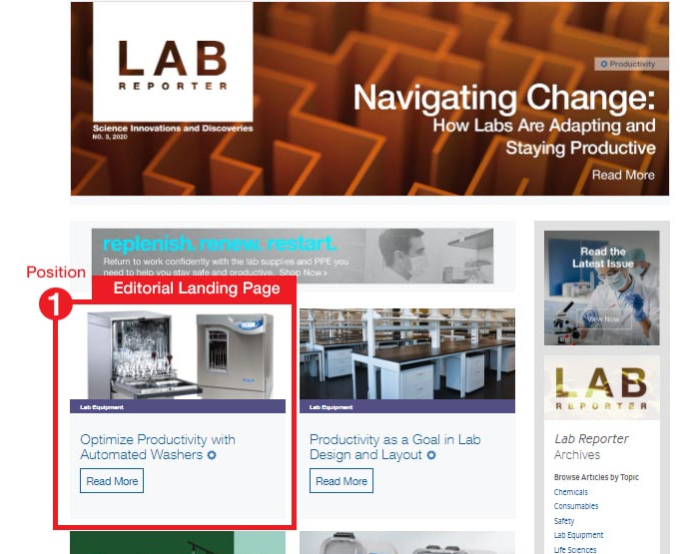
1. Introduction to your landing page on Lab reporter home page (890 x 150 px)

Title

Image file name |  | to provide with populated template

Call to action | read more

+

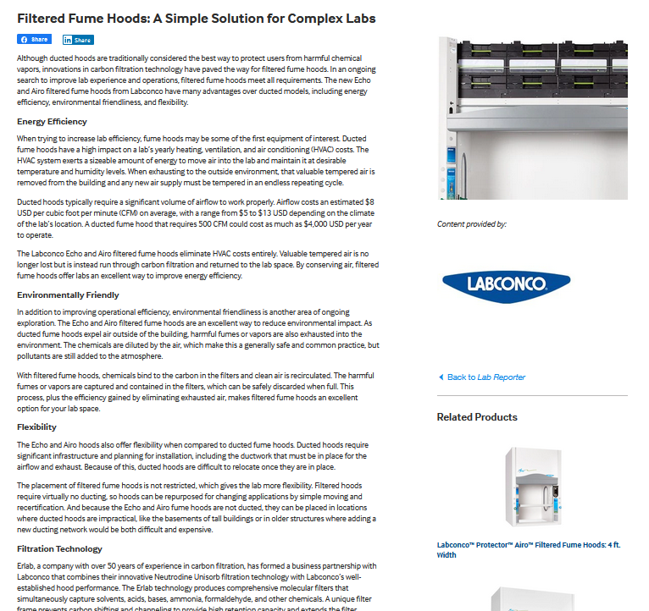
2. Your Lab reporter landing page

Page title | should be the same as title above |  |  | +

Image, 360° image, video, file name 1 |  | to provide with populated template

Image, 360° image, video, file name 2 |  | to provide with populated template

Related product 1
Item number: |  | 1 authored sku only (sku page needs to include extended product description and image)
OR All family Y/N : |  | 1 product familly only
OR Featured Collection* : |  | will redirect to a list of skus into search result

Related product 2
Item number: |  | 1 authored sku only (sku page needs to include extended product description and image)
OR All family Y/N : |  | 1 product familly only |  |  | Topic | Category
OR Featured Collection* : |  | will redirect to a list of skus into search result |  |  | Please select a topic | Please select a category
* Featured Collection is purchased separately, order now |  |  |  |  | Lab Continuity and Preparedness | Chemicals
 |  |  |  |  | Lab Productivity and Optimization | Consumables
Link to your brand page on fishersci |  | please enter URL from fisher web site |  |  | New Innovative Technology | Lab Equipment
Create/update your brand page, order now |  |  |  |  | Outcome Certainty | Life Sciences
 |  |  |  |  | Sustainability | Safety

Body text

