Main page
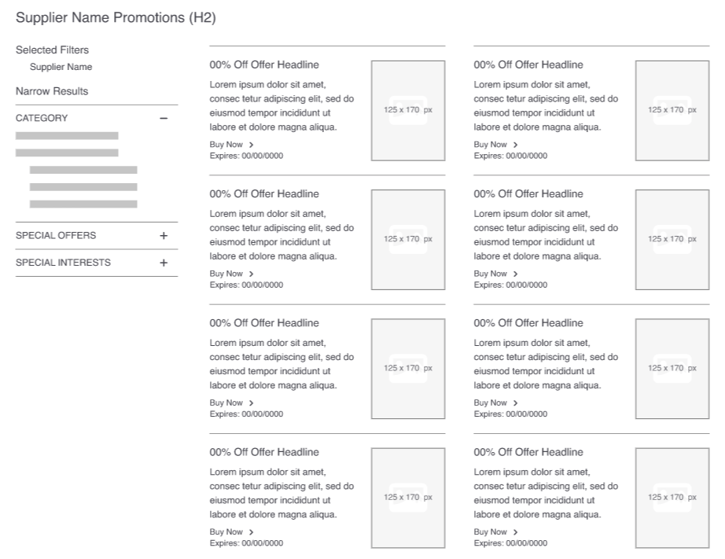
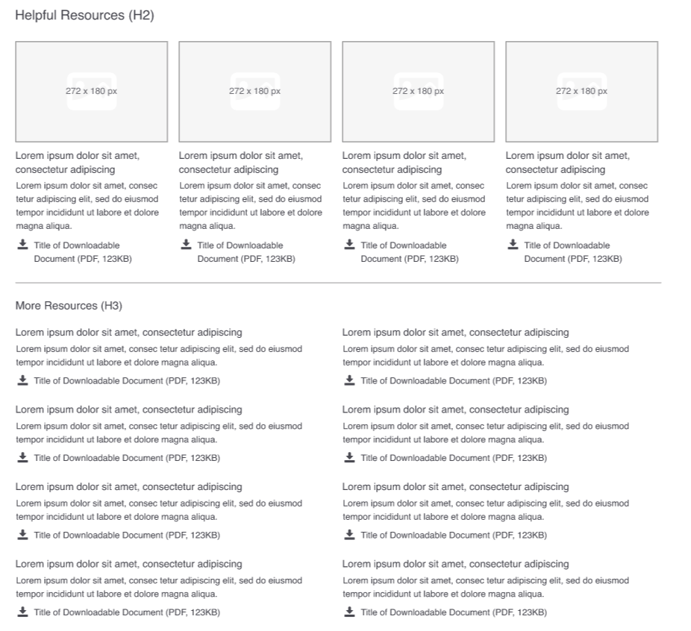
 | Premium Brand page template, main page

1 | Supplier logo
 | Premium brand sites have four pages: (minimum of 2 is required) |  |  | Supplier to propose top catagories
 | Main | Includes tabs for All Products, Top Categories, and Featured Products |  | Merchandizer will confirm or source
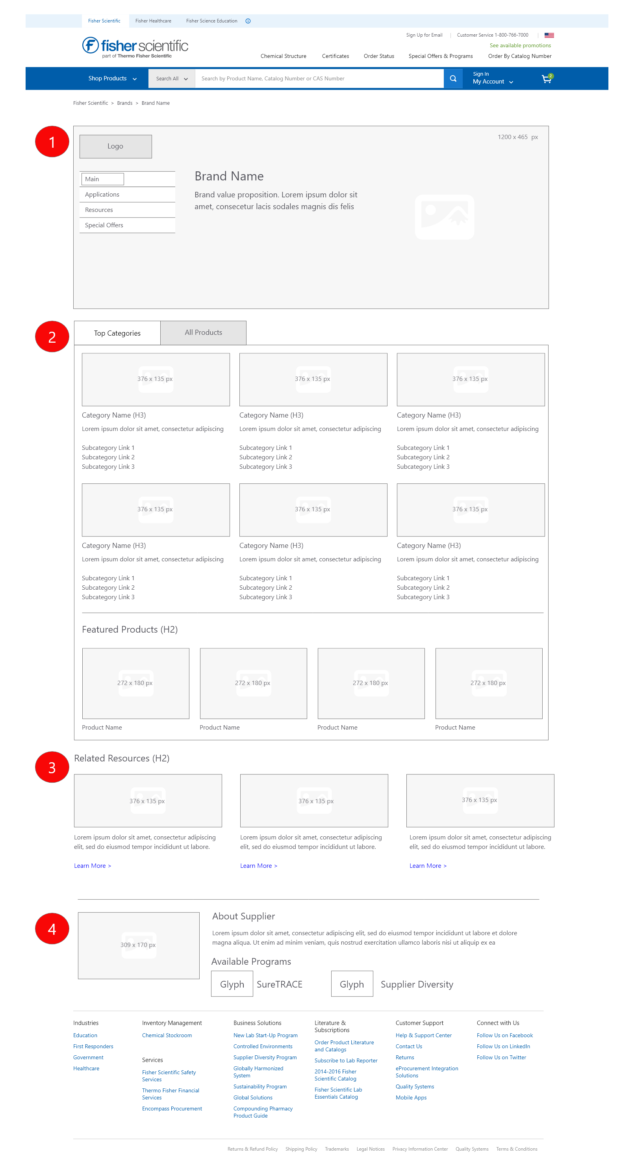
 | Applications | Features a supplier’s products organized by application or workflow step
 | Ressources | Lists documents (PDFs) or videos about a supplier’s products
 | Special Offers | Lists promotions offered by a supplier

1
2
2 | Brand name
 | Brand value proposition
 |  | Brand Value Proposition In addition to a logo and branding image, the banner should answer the following questions with a marketing tagline and description: > Why should the customer be interested in the supplier? > What does the supplier offer in terms of service or product mix that is an advantage to the customer?
 | Image |  | 3 | All products tab | Lists all products from a brand ID(s) from mainframe The product list follows the same format as search results

4 | Top categories | minimum 3, maximum 6 | 5 | Featured products | minimum 4, maximum 8
 | Category 1 |  |  | Featured product 1
 | Image |  |  | Sku | 1 sku or 1 familly
 | Name
 | subcategory 1 name |  |  | Featured product 2
 | subcategory 1 URL |  |  | Sku | 1 sku or 1 familly
 | subcategory 2 name
 | subcategory 2 URL |  |  | Featured product 3
 | subcategory 3 name |  |  | Sku | 1 sku or 1 familly
 | subcategory 3 URL
 |  |  |  | Featured product 4
 | Category 2 |  |  | Sku | 1 sku or 1 familly
 | Image
3
 | Name |  |  | Featured product 5
 | subcategory 1 name |  |  | Sku | 1 sku or 1 familly
3
 | subcategory 1 URL
4
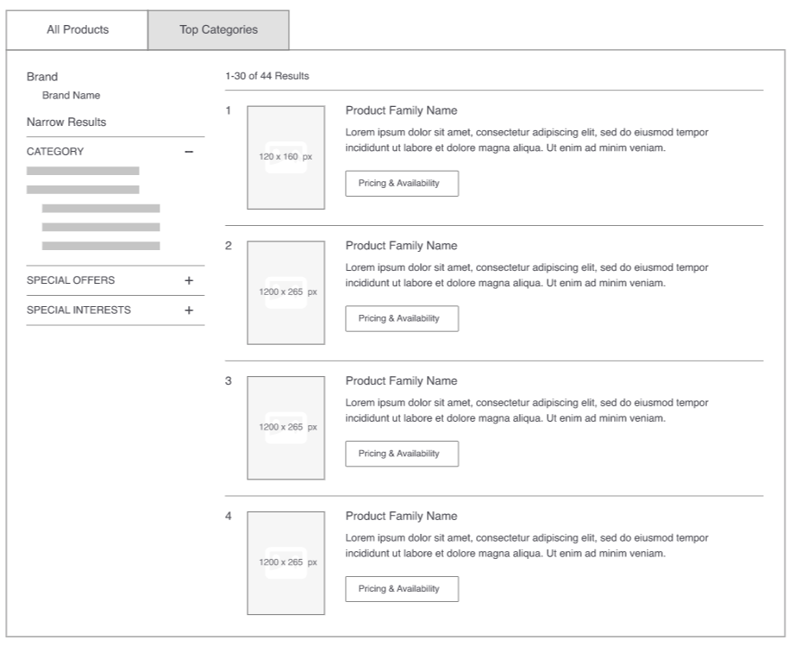
 | subcategory 2 name |  |  | Featured product 6
 | subcategory 2 URL |  |  | Sku | 1 sku or 1 familly
 | subcategory 3 name
 | subcategory 3 URL |  |  | Featured product 7
 |  |  |  | Sku | 1 sku or 1 familly
 | Category 3
 | Image |  |  | Featured product 8
 | Name |  |  | Sku | 1 sku or 1 familly
 | subcategory 1 name
 | subcategory 1 URL |  | 6 | Related ressources | minimum 2, maximum 6
 | subcategory 2 name |  |  |  | This area is a designated spot for suppliers to help cross-promote their other content that lives on our site. Examples of the types of content we can drive to include: lead generation pages, product selection guides, buying guides, etc.
 | subcategory 2 URL |  |  | Related ressources 1
 | subcategory 3 name |  |  | image
 | subcategory 3 URL |  |  | description
 |  |  |  | URL or file name
 | Category 4
 | Image |  |  | Related ressources 2
 | Name |  |  | image
 | subcategory 1 name |  |  | description
 | subcategory 1 URL |  |  | URL or file name
5
 | subcategory 2 name
 | subcategory 2 URL |  |  | Related ressources 3
 | subcategory 3 name |  |  | image
 | subcategory 3 URL |  |  | description
 |  |  |  | URL or file name
 | Category 5
 | Image |  |  | Related ressources 4
 | Name |  |  | image
 | subcategory 1 name |  |  | description
 | subcategory 1 URL |  |  | URL or file name
 | subcategory 2 name
6
 | subcategory 2 URL |  |  | Related ressources 5
 | subcategory 3 name |  |  | image
 | subcategory 3 URL |  |  | description
 |  |  |  | URL or file name
 | Category 6
 | Image |  |  | Related ressources 6
 | Name |  |  | image
 | subcategory 1 name |  |  | description
 | subcategory 1 URL |  |  | URL or file name
 | subcategory 2 name
 | subcategory 2 URL
 | subcategory 3 name
7
 | subcategory 3 URL

7 | About Supplier | This is usually the type of information the supplier might include on the “About Us” page of their website. This should be high level and elaborate on the brand value proposition that appears in the header graphic. This area will also include links to the programs that this supplier participates in such as SureTRACE, greener choice, edge
 | Image
 | Description
 | Program 1
 | Program 2
 | Program 3

Application page
 | Premium Brand page template, application page
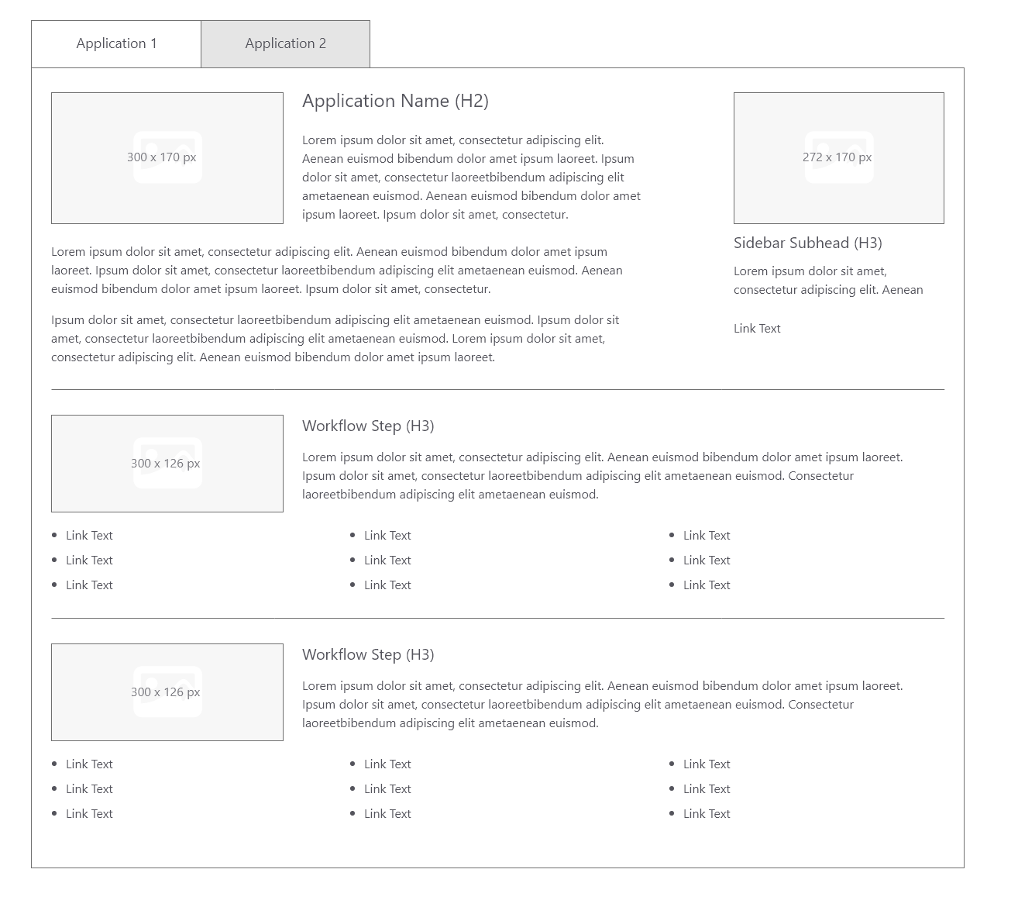
A
B
1
2
 | Features a supplier’s products organized by application or workflow step | Up to three tabs are permitted depending on label length. Tabs can be used for applications or workflow steps Each tab must have an introduction section that can include an image An additional item should be featured in a right-side column to the introduction Each tab can include up to five rows (one per workflow step); each row displays an image representing that step, a short overview paragraph, and up to nine links to product families/SKUs or product categories with refinements
Tab A |  |  | Tab B
7
1 | Introduction |  | 1 | Introduction
 | name |  |  | name
 | Description |  |  | Description
 | image |  |  | image

3
2 | Featured product |  | 2 | Featured product
 | Sku | 1 sku or 1 familly |  | Sku | 1 sku or 1 familly
 | Product title | by default we will use web product title |  | Product title | by default we will use web product title
 | Description | by default we will use product web teaser |  | Description | by default we will use product web teaser
 | image | by default we will product image |  | image | by default we will product image
 | Call to action | by default we will link to sku or familly |  | Call to action | by default we will link to sku or familly

3 | Row 1 | 5 rows max | 3 | Row 1 | 5 rows max
 | Title |  |  | Title
 | Description |  |  | Description
 | Image |  |  | Image
 | Text 1 |  |  | Text 1
4
 | URL text 1 |  |  | URL text 1
 | Text 2 |  |  | Text 2
 | URL text 2 |  |  | URL text 2
 | Text 3 |  |  | Text 3
 | URL text 3 |  |  | URL text 3
 | Text 4 |  |  | Text 4
 | URL text 4 |  |  | URL text 4
 | Text 5 |  |  | Text 5
 | URL text 5 |  |  | URL text 5
 | Text 6 |  |  | Text 6
 | URL text 6 |  |  | URL text 6
 | Text 7 |  |  | Text 7
 | URL text 7 |  |  | URL text 7
 | Text 8 |  |  | Text 8
 | URL text 8 |  |  | URL text 8
 | Text 9 |  |  | Text 9
 | URL text 9 |  |  | URL text 9

4 | Row 2 | 5 rows max | 4 | Row 2 | 5 rows max
 | Title |  |  | Title
 | Description |  |  | Description
 | Image |  |  | Image
 | Text 1 |  |  | Text 1
 | URL text 1 |  |  | URL text 1
 | Text 2 |  |  | Text 2
 | URL text 2 |  |  | URL text 2
 | Text 3 |  |  | Text 3
 | URL text 3 |  |  | URL text 3
 | Text 4 |  |  | Text 4
 | URL text 4 |  |  | URL text 4
 | Text 5 |  |  | Text 5
 | URL text 5 |  |  | URL text 5
 | Text 6 |  |  | Text 6
 | URL text 6 |  |  | URL text 6
 | Text 7 |  |  | Text 7
 | URL text 7 |  |  | URL text 7
 | Text 8 |  |  | Text 8
 | URL text 8 |  |  | URL text 8
 | Text 9 |  |  | Text 9
 | URL text 9 |  |  | URL text 9

4 | Row 3 | 5 rows max | 4 | Row 3 | 5 rows max
 | Title |  |  | Title
 | Description |  |  | Description
 | Image |  |  | Image
 | Text 1 |  |  | Text 1
 | URL text 1 |  |  | URL text 1
 | Text 2 |  |  | Text 2
 | URL text 2 |  |  | URL text 2
 | Text 3 |  |  | Text 3
 | URL text 3 |  |  | URL text 3
 | Text 4 |  |  | Text 4
 | URL text 4 |  |  | URL text 4
 | Text 5 |  |  | Text 5
 | URL text 5 |  |  | URL text 5
 | Text 6 |  |  | Text 6
 | URL text 6 |  |  | URL text 6
 | Text 7 |  |  | Text 7
 | URL text 7 |  |  | URL text 7
 | Text 8 |  |  | Text 8
 | URL text 8 |  |  | URL text 8
 | Text 9 |  |  | Text 9
 | URL text 9 |  |  | URL text 9

4 | Row 4 | 5 rows max | 4 | Row 4 | 5 rows max
 | Title |  |  | Title
 | Description |  |  | Description
 | Image |  |  | Image
 | Text 1 |  |  | Text 1
 | URL text 1 |  |  | URL text 1
 | Text 2 |  |  | Text 2
 | URL text 2 |  |  | URL text 2
 | Text 3 |  |  | Text 3
 | URL text 3 |  |  | URL text 3
 | Text 4 |  |  | Text 4
 | URL text 4 |  |  | URL text 4
 | Text 5 |  |  | Text 5
 | URL text 5 |  |  | URL text 5
 | Text 6 |  |  | Text 6
 | URL text 6 |  |  | URL text 6
 | Text 7 |  |  | Text 7
 | URL text 7 |  |  | URL text 7
 | Text 8 |  |  | Text 8
 | URL text 8 |  |  | URL text 8
 | Text 9 |  |  | Text 9
 | URL text 9 |  |  | URL text 9

4 | Row 5 | 5 rows max | 4 | Row 5 | 5 rows max
 | Title |  |  | Title
 | Description |  |  | Description
 | Image |  |  | Image
 | Text 1 |  |  | Text 1
 | URL text 1 |  |  | URL text 1
 | Text 2 |  |  | Text 2
 | URL text 2 |  |  | URL text 2
 | Text 3 |  |  | Text 3
 | URL text 3 |  |  | URL text 3
 | Text 4 |  |  | Text 4
 | URL text 4 |  |  | URL text 4
 | Text 5 |  |  | Text 5
 | URL text 5 |  |  | URL text 5
 | Text 6 |  |  | Text 6
 | URL text 6 |  |  | URL text 6
 | Text 7 |  |  | Text 7
 | URL text 7 |  |  | URL text 7
 | Text 8 |  |  | Text 8
 | URL text 8 |  |  | URL text 8
 | Text 9 |  |  | Text 9
 | URL text 9 |  |  | URL text 9

Ressources page
 | Premium Brand page template, ressources page

 | Lists documents (PDFs) or videos about a supplier’s products | Up to 20 PDFs or videos Of those 20 resources, choose four to feature at the top of the tab

1
7
1 | Helpful Ressources
 | Featured PDF 1
 | Title
 | Description
 | Image
 | File name | Please ensure to provide file

 | Featured PDF 2
 | Title
 | Description
 | Image
 | File name | Please ensure to provide file

1
 | Featured PDF 3
 | Title
 | Description
 | Image
 | File name | Please ensure to provide file

 | Featured PDF 4
 | Title
 | Description
 | Image
 | File name | Please ensure to provide file

2 | More ressources
 | PDF 5
 | Title
 | Description
 | File name | Please ensure to provide file

 | PDF 6
 | Title
 | Description
 | File name | Please ensure to provide file

 | PDF 7
 | Title
 | Description
 | File name | Please ensure to provide file

 | PDF 8
 | Title
 | Description
 | File name | Please ensure to provide file

 | PDF 9
 | Title
 | Description
 | File name | Please ensure to provide file

 | PDF 10
 | Title
 | Description
 | File name | Please ensure to provide file

 | PDF 11
 | Title
 | Description
 | File name | Please ensure to provide file

Special offers page
Premium Brand page template, special offers page

1
Lists promotions offered by a supplier | If the supplier will be offering promotions in the coming year, a special offers tab will be included automatically. When there are no promotions available, the tab will display an automatic message.

FUNCTIONALITY UNDER CONSTRUCTION
7

