Product inclusion to email
Lab reporter Product inclusion to email

Send your populated template to media.sales@thermofisher.com

Please reference to your order number and article number

Your order number
Your article number

Content | comments | Example
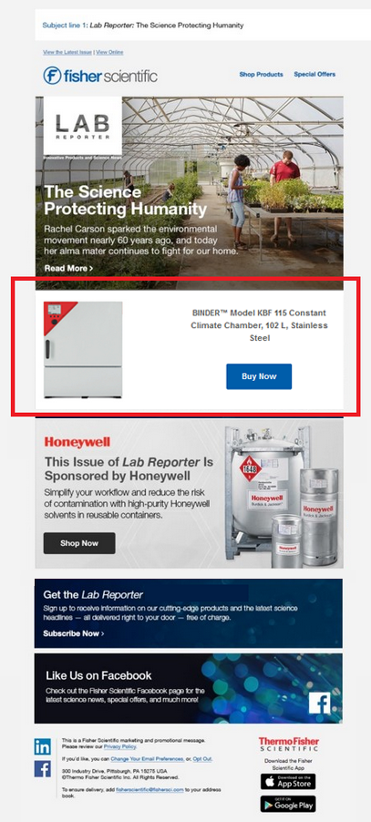
Item number: | 1 authored sku only (sku page needs to include extended product description and image)
OR All family Y/N : | 1 product familly only
OR Featured Collection* : | will redirect to a list of skus into search result
* Featured Collection is purchased separately, order now

By default we will use the product and image from our web site for sku mentionned below
If you prefer provide a specific content for this purpose, feel free to populate the fields below

Image file name | to provide with populated template

Title

