Advert inclusion to email
Lab reporter Advert inclusion to email

Send your populated template to media.sales@thermofisher.com

Please reference to your order number and article number

Your order number
Your article number

Content |  | comments | Example
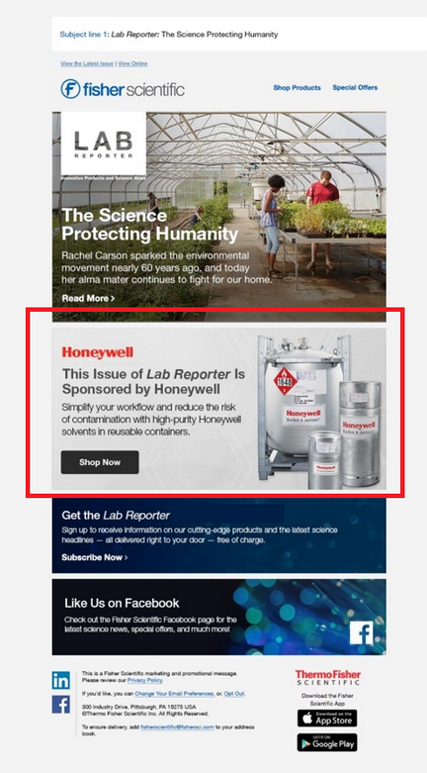
Image file name |  | to provide with populated template

Your logotype |  | to provide with populated template

Advert title | Should be the same as page title of your labreporter landing page

Short description text :

Call to action

Link to | your Labreporter landing page

