paid social
Lab reporter paid social

 | Send your populated template to media.sales@thermofisher.com | Example
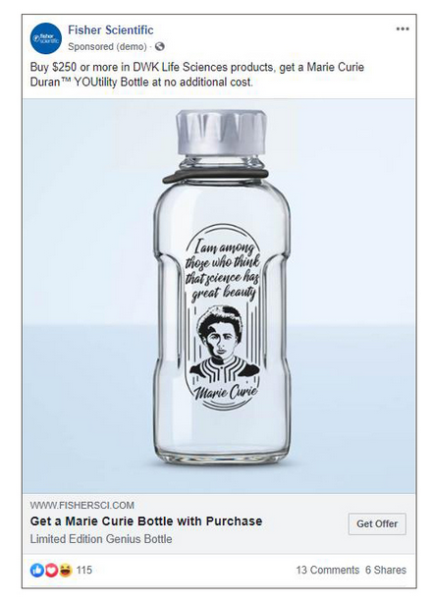
 | Please reference to your order number and article number

Title for Display Ad (40 char)

Capture an Unique Selling Point (75 char)

Link To:
Product: | Insert Fisher Scientific Item number

 | or Url (Brand Page):

 | or Featured Collection :

Image Name:

